Womens Dance
Style | Image | On Hand Quantity | Description | Category
0071 | 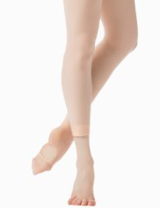 | 1,099 | W MESH BACKSEAM CONVERTIBLE TIGHTS | Women's Dance
0072 | 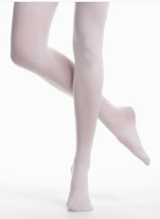 | 2,537 | W FOOTED TIGHT | Women's Dance
0212 | 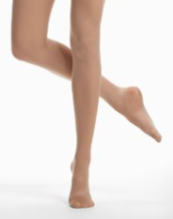 | 593 | W COMPRESS FOOTED TIGHT | Women's Dance
0702 | 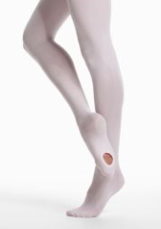 | 265 | W CONVERTIBLE TIGHT | Women's Dance
0704 | 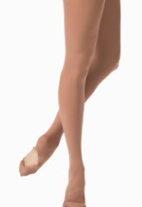 | 612 | W Over-The-Boot Skate Tig | Women's Dance
0711 | 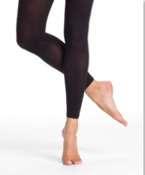 | 157 | W FOOTLESS TIGHT | Women's Dance
0725 | 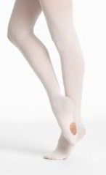 | 8 | W CONVERTIBLE TIGHT | Women's Dance
1331 | 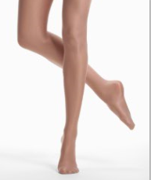 | 3,433 | W ULTRA SHIMMER FOOTED TIGHT | Women's Dance
Tights Total |  | 8,704 |  | Women's Dance
1978 | 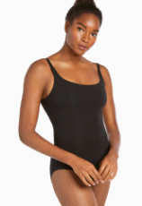 | 118 | W CAMISOLE COTTON LEOTARD | Women's Dance
2066 | 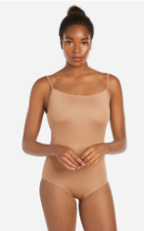 | 427 | W CAMISOLE NYLON LEOTARD | Women's Dance
3806 | 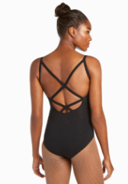 | 246 | W Cross Back Leotard | Women's Dance
3906 | 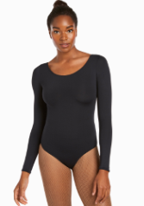 | 46 | W L/S NYLON LEOTARD | Women's Dance
3917 | 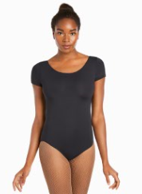 | 274 | W S/S NYLON LEOTARD | Women's Dance
7271 | 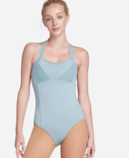 | 1 | W CAMI LEOTARD | Women's Dance
7283 | 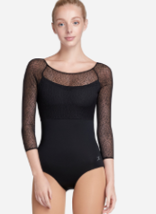 | 4 | W MESH LONG SLEEVE LEOTARD | Women's Dance
7741 | 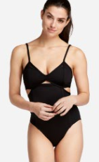 | 714 | CUT OUT BODYSUIT | Women's Dance
7900 | 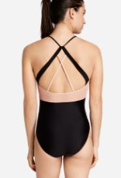 | 227 | W STRAPPY HALTER LEOTARD | Women's Dance
7901 | 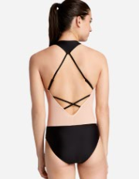 | 526 | W RACERBACK V-NECK LEOTARD | Women's Dance
7902 | 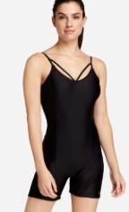 | 39 | W CAMISOLE BIKETARD | Women's Dance
Leo's Total |  | 2,622 |  | Women's Dance
 |  | 11,326

